Sheet1
Minneapolis Cafes Plotted by Lat. and Long.
Name | Long | Lat
Corner Coffee | -93.276263896 | 44.985758296
Purple Onion Café | -93.237552795 | 44.98014205
Dunn Bros | -93.206109066 | 44.948552733
Milkweed Cafe | -93.216746017 | 44.94853811
May Day Cafe | -93.252645391 | 44.939884559
Sebastian Joe's Ice Cream | -93.314675858 | 44.923832933
Dunn Bros Coffee | -93.315299288 | 44.924850602
Sebastian Joe's Ice Cream | -93.292145212 | 44.962573672
Misfit Coffee | -93.287827909 | 44.959017906
Sencha Tea Bar | -93.296643077 | 44.955411063
Riverview Cafe | -93.212480816 | 44.934408177
Vicinity Coffee | -93.277676048 | 44.924925655
Spyhouse Coffee Shop | -93.294544612 | 44.958934635
The Beat Coffeehouse | -93.297676139 | 44.952095162
Bob's Java Hut | -93.287836892 | 44.953837687
Precision Grind Coffee | -93.239704261 | 44.962627064
Code Blu Coffee | -93.233451986 | 44.962917542
Starbucks | -93.278060527 | 44.962410954
Spyhouse Coffee | -93.27765898 | 44.9574459
Isles Bun & Coffee | -93.298721778 | 44.952155557
South City Cafe | -93.262334619 | 44.941073625
Turtle Bread | -93.262896965 | 44.916239282
Caribou Coffee | -93.328874629 | 44.913377886
Starbucks | -93.229873098 | 44.973963481
Aster Cafe | -93.255064554 | 44.984495181
Dunn Bros | -93.28377471 | 44.967811575
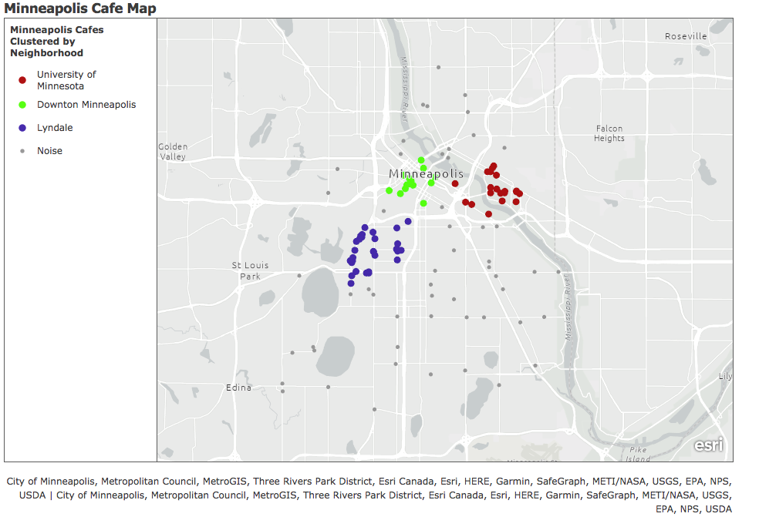
Wildflyer Coffee | -93.230707633 | 44.943109606
Kilimanjaro Cafe | -93.247442348 | 44.970593996
Wilde Cafe & Spirits | -93.257718177 | 44.985708738
Blackeye Roasting Co. | -93.262754132 | 44.93460468
Modern Times Cafe | -93.262860134 | 44.944599349
Pow Wow Grounds | -93.254451903 | 44.962904829
Edina Creamery | -93.328866544 | 44.910862437
Caribou Coffee | -93.254866924 | 44.987260274
Nokomis Beach Coffee Cafe | -93.232464738 | 44.912806607
Segue | -93.257916705 | 44.968947947
Boiler Room | -93.272926655 | 44.964446177
Dunn Bros | -93.298586132 | 44.941492654
Wise Owl Cafe | -93.236245747 | 44.975112441
Five Watt Coffee | -93.288427085 | 44.941456411
Bluestem Bar and Table | -93.288287846 | 44.954915852
Dogwood Coffee | -93.298058821 | 44.94737018
Dunn Bros | -93.278077595 | 44.955770232
Bordertown Coffee | -93.233683752 | 44.979051651
Matchbox Coffee Shop | -93.266330326 | 45.001241264
Izzy's Ice Cream Cafe | -93.252043519 | 44.97643359
Caribou Coffee | -93.24468991 | 44.969828812
Spyhouse Coffee | -93.24635359 | 44.998910066
Diamonds Coffee Shop | -93.247562723 | 45.004364414
Uncommon Grounds Coffeehouse | -93.298001329 | 44.95153444
Caribou Coffee | -93.260997028 | 44.978489286
Glam Doll Donuts | -93.277674251 | 44.955173312
Sparrow Cafe | -93.308523296 | 44.912241685
Caribou Coffee | -93.231749679 | 44.973345778
Caribou Coffee | -93.224734735 | 44.97412998
Selam Coffee | -93.223074648 | 44.932600831
Espresso Royale | -93.281469633 | 44.974160483
Caribou Coffee | -93.294148455 | 44.959833451
Caffetto | -93.288554646 | 44.961041173
Wuollet Bakery & Coffee | -93.290483329 | 44.948512044
Caribou Coffee | -93.321353933 | 44.947387982
Fabulous Restaurant & Coffee | -93.252621136 | 44.955363386
Kung Fa Tea | -93.224727548 | 44.973879596
Five Watt Coffee | -93.277739828 | 44.934439974
Starbucks | -93.235342042 | 44.981343626
Mary Ellen's Bistro | -93.264390863 | 45.000748354
Wesley Andrews | -93.276082436 | 44.955400257
Bambu Dessert & Drinks | -93.277725455 | 44.952280796
Caribou Coffee | -93.27840548 | 44.919498734
Canteen | -93.290483329 | 44.943057467
Twin Cities Leather and Latte | -93.297586308 | 44.953109787
Wesley Andrews | -93.276097708 | 44.955408521
Sisters' Sludge Coffee Cafe and Wine Bar | -93.239098796 | 44.934268908
Tim Hortons | -93.236319409 | 44.980122988
Botany Coffee | -93.246941987 | 44.934219305
French Meadow Bakery & Cafe | -93.288421695 | 44.955010572
Mapps Coffee and Tea | -93.260959298 | 44.948908766
Carley Coffee | -93.290479735 | 44.948227216
The Shoppe | -93.291476865 | 44.948245017
Starbucks | -93.296090613 | 44.948629026
Caribou Coffee | -93.270830885 | 44.975880732
Starbucks | -93.27156391 | 44.976251211
Starbucks | -93.267138809 | 44.983768306
1st Cup Cafe | -93.236870974 | 44.951798273
Starbucks | -93.262767607 | 44.976631855
Caribou Coffee | -93.271631284 | 44.977288286
Caribou Coffee | -93.273482712 | 44.975983043
Starbucks | -93.274234602 | 44.974864603
Starbucks | -93.274869711 | 44.979046567
Starbucks | -93.272544871 | 44.978143604
Geek Love Cafe | -93.233945161 | 44.947236664
In the Loop Coffee Co. | -93.27505117 | 44.989814308
Starbucks | -93.233454681 | 44.974713994
Caribou Coffee | -93.230084202 | 44.973523082
Bambu Dessert Drinks | -93.223359414 | 44.973277144
Fulton Street Cafe | -93.224953025 | 44.970656913
Bridges Cafe | -93.231165774 | 44.970967687
Starbucks | -93.236226882 | 44.973437925
Cafe Ceres | -93.324488155 | 44.923028962
Penny's Coffee | -93.266079696 | 44.981242596
Chatime | -93.2362709 | 44.980185895
Kung Fu Tea | -93.234891087 | 44.981942816
Bambini's Coffee | -93.237072197 | 44.966832166
Truce Fresh Pressed Juice | -93.298489114 | 44.944876565
Starbucks | -93.247541163 | 44.917402121
Venture North | -93.304360503 | 44.980945222
Starbucks | -93.296029527 | 44.958201714
Starbucks | -93.293449566 | 44.960305737
The Cafe Meow | -93.293577126 | 44.959448246
five watt | -93.2437359 | 44.9917215
Black Coffee and Waffle Bar | -93.230161457 | 44.987721533
Starbucks | -93.236932958 | 44.950069672
Cuppa Java | -93.308538568 | 44.973516727
Carma Coffee | -93.259389942 | 45.013060951
Caribou Coffee | -93.216363335 | 44.919041379

